Task2
Task 2 | API Documentation
 | Document the details about the API, the description of the API is given below

 | Nudge creation page wireframe
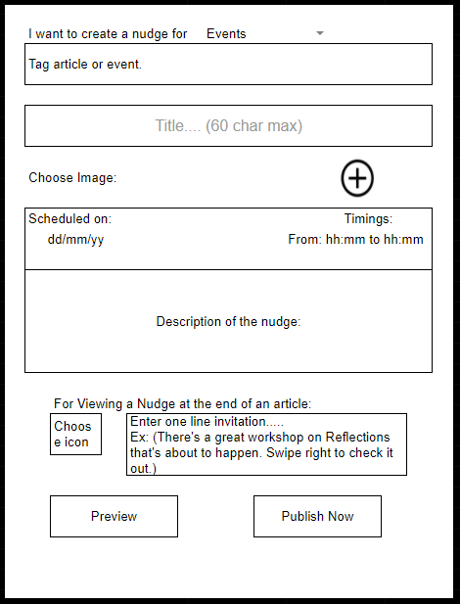
 |  | Description about the page
 |  | 1 | User can tag an event which he wants to create a nudge about and give this nudge a title.
 |  | 2 | User should be able to upload a image which will be shown as a cover for the nudge
 |  | 3 | Add a time at which the user wants to send the nudge
 |  | 4 | The nudge will have a description
 |  | 5 | This nudges will also have a icon and one line invitation which will be shown where the nudge is minimized or when it is shown along with a event/article

 |  | Steps to do
 |  | 1 | Go through the wireframe in the image, it is a page where a user can create a nudge for his/her event
 |  | 2 | Create a Object data model for the Nudge, you can use the above model for reference
 |  | 3 | Write a documentation about how the api structure should be. The documentation should include the types of requests you want to perform, base url, API Endpoints, Payload and the description about the API
 |  | 4 | You can use the above table(Table 1) for reference
 |  | 5 | Write the documentation for the CRUD functionalitites

